Example Background
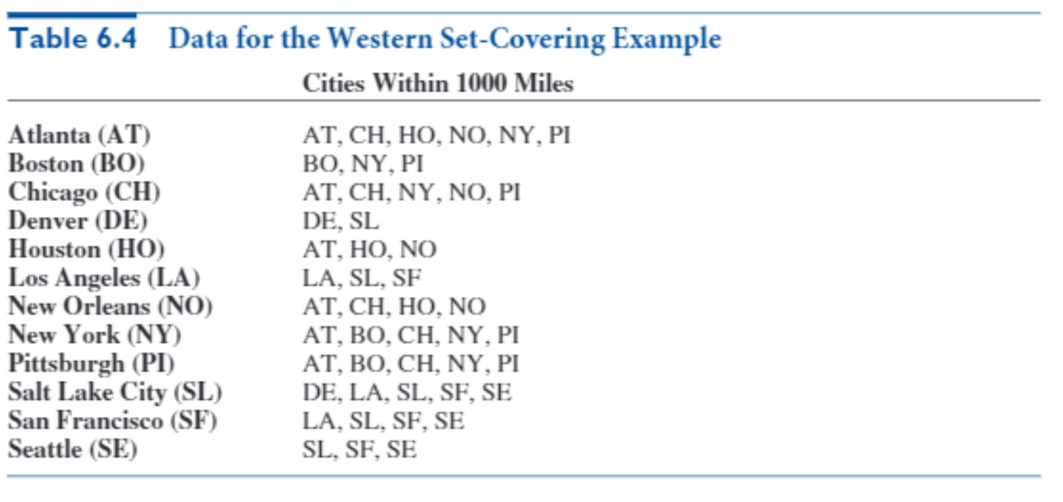
Western Airlines wants to design a hub system in the United States. Each hub is used
for connecting flights to and from cities within 1000 miles of the hub. Western
runs flights among the following cities: Atlanta, Boston, Chicago, Denver, Houston,
Los Angeles, New Orleans, New York, Pittsburgh, Salt Lake City, San Francisco, and
Seattle. The company wants to determine the smallest number of hubs it needs to cover all
these cities, where a city is covered if it is within 1000 miles of at least one hub. Table 6.4
lists which cities are within 1000 miles of other cities.

Big Picture
Locating Airline Hubs

City to city distance matrix
City used as hub
Minimize number of hubs

Matrix of cities covered by potential hubs
Number of hubs city is covered by
1
>=

